HowToUse
HOW TO USE |  |  |  | GO TO TOC | <-- | EVERY SHEET HAS THE "TOC" HYPERLINK

 |  |  |  | YOU CAN USE HYPERLINKS TO MOVE THROUGH THE FILE AND JUMP TO CORRECT SHEET
1. Enter player names in sheet Players | Players sheet |  |  |  |  | TOC is the first sheet with links to all other sheets, as well as games result summary
2. Go to sheet Game1, you can use hyperlink on the TOC sheet | Game1 sheet
3. Enter current date | Use hotkey CTRL+SHIFT+, | 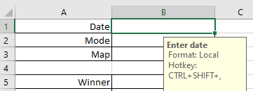
4. Enter the current "mode", that refers to expansions used | You can use the drop down menu with hotkey ALT+ <down arrow> to move through the menu | List of possible modes | 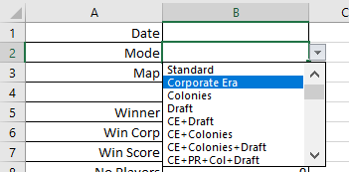
5. Enter used map (Tharsis, Elysium, Hellas) | You can use the drop down menu with hotkey ALT+ <down arrow> to move through the menu
6. Enter the last generation
7. Enter Moons/Asteroid if you are playing the colonies expansion | You can use the drop down menu with hotkey ALT+ <down arrow> to move through the menu | 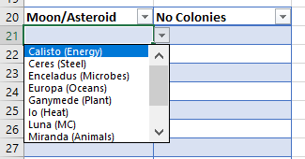
8. Enter how many colonies there were on that moon/asteroid | You can use the drop down menu with hotkey ALT+ <down arrow> to move through the menu
9. Enter game data, for players and corporations you can use the drop down menu |  | 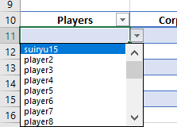 | 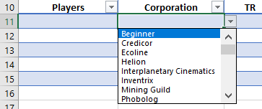
10. Use the hyperlinks to move through the sheet. (HYPERLINKS DON'T WORK IN ONLINE EXCEL)
11. TOC has links to everywhere and games summary | GO TO TOC | 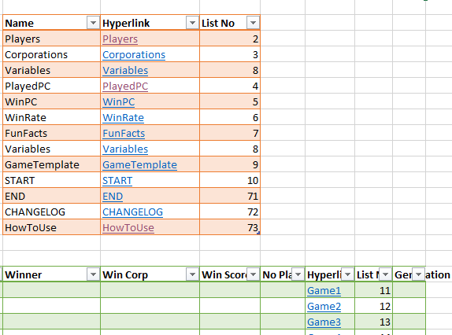
12. Players sheet has winrate of players Will be calculated after first dana entry | Players sheet
13. Corporations sheet has winrate of corporations | Corporations sheet
14. PlayedPC has the number of times a player played that corporation FIRST COLUMN NEED TO BE EDITED TO WORK PROPERLY - SELECT PLAYER NAME FROM DROP DOWN MENU! | PlayedPC sheet | 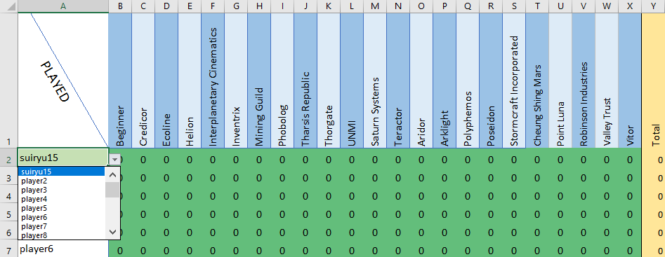
15. WinPC has the number of times a player won with that corporation FIRST COLUMN NEED TO BE EDITED TO WORK PROPERLY - SELECT PLAYER NAME FROM DROP DOWN MENU! | WinPC sheet | 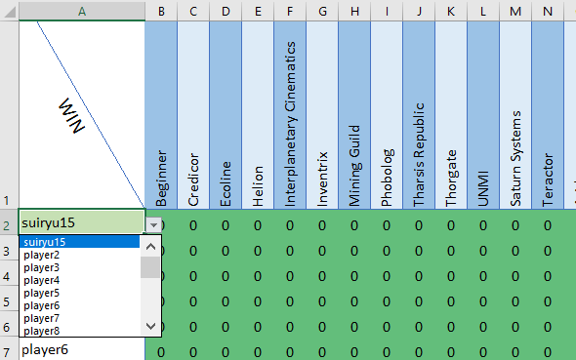
16. WinRate has the winrate of a player with that corporation, if winrate is 0 than it is written, if the player has NOT played that corp than the winrate will not be displayed FIRST COLUMN NEED TO BE EDITED TO WORK PROPERLY - SELECT PLAYER NAME FROM DROP DOWN MENU! | WinRate sheet | 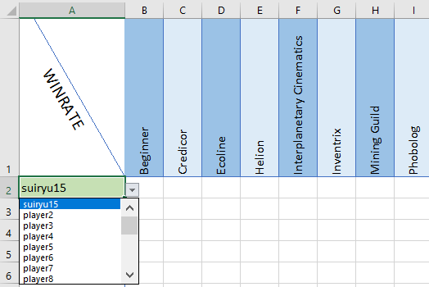
17. FunFacts has the average score per player depending on number of players in a game Needs data to actually show result. | FunFacts sheet | 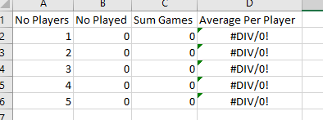

Suiryu15

